Sheet1
Excel Assignment - 6

Q1. What are the various elements of the Excel interface? Describe how they're used.
Ans:The title bar of the spreadsheet is at the top of the window. It displays the active document's name.
The Ribbon is Excel’s command menu interface. It organizes commonly used actions together . These are the main parts of the Ribbon: Tabs, Groups, Command Buttons,Command Menu, Dialog Box
Formula Bar : To insert formulas to act on data.
Cells: It is the middle part of Excel worksheet where data or text is entered. There are also Row bar and Column bar which gives a unique name to each cells.
Q2. Write down the various applications of Excel in the industry.
Ans:Various applications of Excel in the industry: Data entry, Data management, Accounting, Financial analysis, Charting and graphing, Programming, Time management, Task management
Q3. On the ribbon, make a new tab. Add some different groups, insert commands in the groups and name them according to their commands added. Copy and paste the screenshot of the steps you followed.
Ans: Click on File Tab> Options > Customize Ribbon. In the Customize ribbon box you can Add New Tabs, Groups and Rename them; and also add commands by draging them to right side or simply pressing Add>>. Click OK to create yor Customized Ribbon.
Q4. Make a list of different shortcut keys that are only connected to formatting with their functions.
Ans: F2: To edit the Active cell, Ctrl+B : Bold Text, Ctrl+I : Italic Text, Ctrl+U : Underline Text, Ctrl+Shift+Ampersand sign (&): Apply an outline border to the selected cells, Ctrl+Shift+Dollar sign ($): Apply the Currency format with two decimal places (negative numbers in parentheses), Ctrl+Shift+G: Open the Workbook Statistics dialog box.
Q5. What distinguishes Excel from other analytical tools?
Ans: Excel will use range of formulas to unlock the potential of data. You have to insert data in individual cells of columns and rows. In this way, data will be filtered and sorted and hence displayed in a presentable manner.
Q6. Create a table and add a custom header and footer to your table.

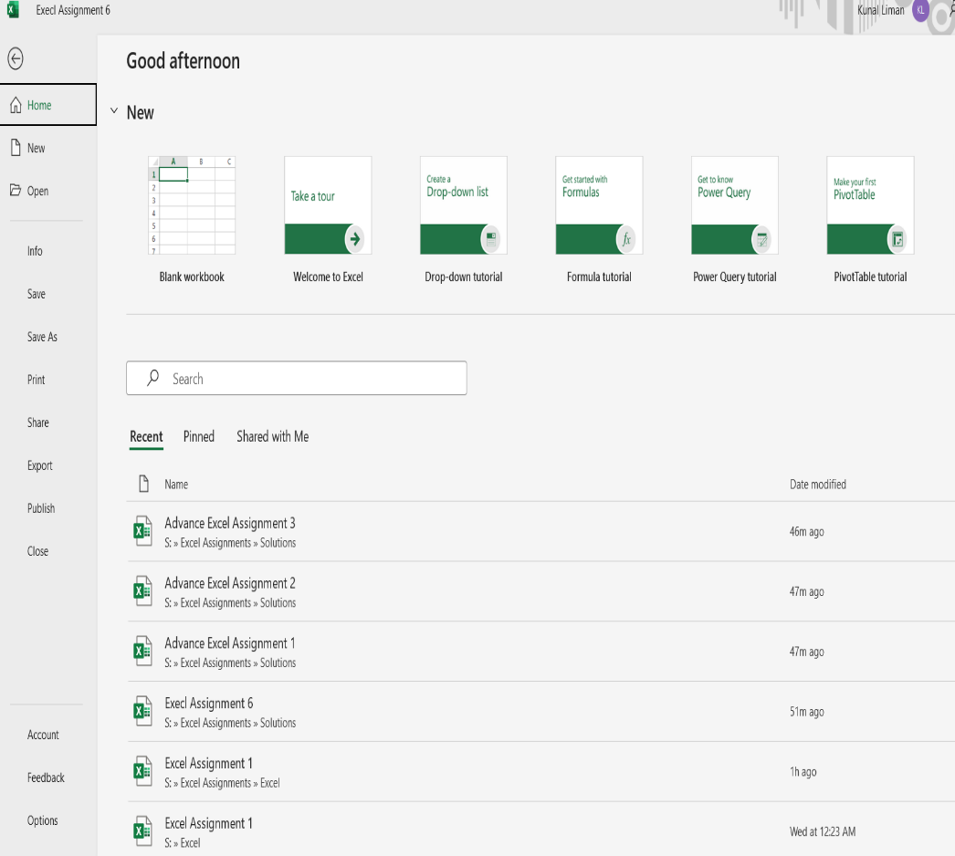
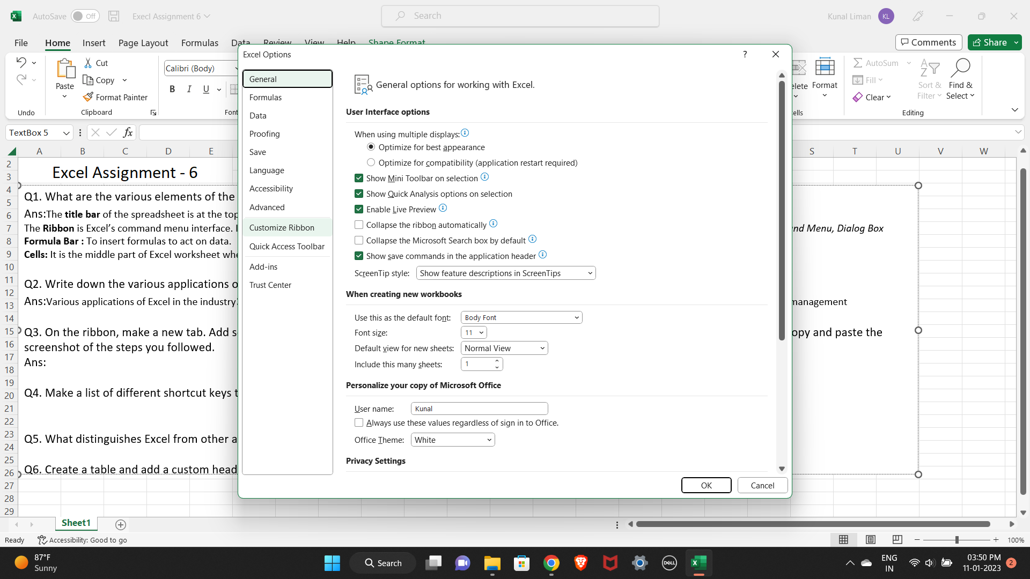

Custom Header | Column2 | Column3 | Column4 | Column5

